Sheet1
UCLA TRAVEL REIMBURSEMENT / EXPENSE REQUEST |  |  |  |  |  |  |  |  |  | 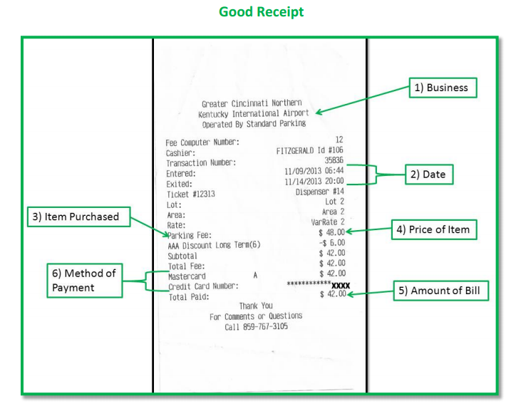 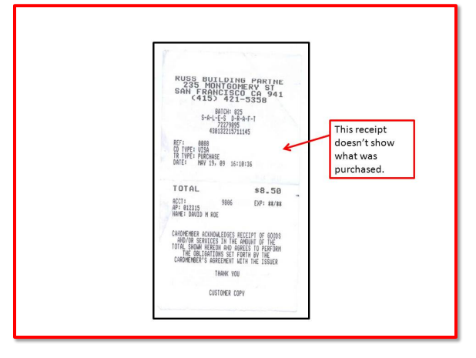

YOUR NAME: |  |  | EMAIL: |  |  |  | PHONE:
TRAVEL DATES |  | START: |  |  |  | FINISH:
NAME OF EVENT/CONFERENCE
(PLEASE DO NOT USE ACRONYMS. WRITE OUT THE COMPLETE NAME)
STATE PURPOSE OF TRAVEL IN DETAIL
WHAT, WHY, WHEN, WHERE, AND HOW IT RELATES TO UCLA
ARE YOU EMPLOYED BY UCLA? |  |  |  | YOUR SIGNATURE:
YOUR ADDRESS:
Is there personal time in this trip? |  |  |  | If yes, explain:
RECHARGE ID: |  |  |  | UC ID:

DATE | LIST DAILY EXPENSES |  | AMOUNT | *Form of Payment | DATE | LIST DAILY EXPENSE |  | AMOUNT | *Form of Payment
Example | UBER FROM HOME TO LAX |  |  | CC

 |  |  |  |  |  | TOTAL EXPENSE REQUESTED |  | $-
* CC = Credit Card $$ = Cash CK = Check

PROFESSOR'S SIGNATURE: |  |  |  |  |  |  | TODAY'S DATE
PROFESSOR'S NAME PRINTED:

RECEIPTS: Itemized meal and hotel receipts showing what was purchased must be submitted. A credit card receipt is not considered itemized. Please make every effort to include all of your receipts. If you have lost or are unable to turn in a receipt, please be sure to include a signed and dated note that indicates what the expense was for and that a receipt is not available.
Checklist for items required and backup:
*Airfare : Itinerary *Food : Itemized Receipts *Other Travel Expenses : Varies
*Conference Fee : Agenda or Badge *Taxi : To-From-Where/Receipts *Credit Card : Bank Statements
*Hotel : Itemized Folio *Rental Car : Itemized Billing Receipts

MEALS DURING TRAVEL:
Daily meal cap for meals on travel and incidental expenses in the US is $62 per person (M & IE). You may claim only actual expenses. Per diem is not an option for domestic travel.

HOTEL DURING TRAVEL:
Daily hotel cap for hotels on travel is $275 per day per person (M & IE). You may claim only actual expenses. Per diem is not an option for domestic travel.
ENTERTAINMENT MEALS: Maximum per-person rates for entertainment and business meeting meals.
$27 Breakfast / $47 Lunch / $81 Dinner / $19 Light Refreshments
Note: You must claim what you actually spent. This is not like foreign travel; you cannot claim per diem.
Please visit http://www.travel.ucla.edu for helpful travel resources.

